GY.7.39.
 | In a canning factory, the filling of the canned tomatoes is done by an automatic machine. The expected weight of the cans is 450 g, from which only random deviations are allowed. The allowed standard deviation of the filling weight is 10 g. The weight distribution is considered normal. The factory took a sample of 25 items, the average weight of the cans in the sample was 446 g and the standard deviation was 11 g. |  |  |  |  |  |  |  |  | population size is big so doesnt matter if sr or idd. Techincally is iid

 | a) Test the hypothesis of the expected loading weight, assuming that the 10 g is the standard deviation of the population! (alpha=0.05) b) Calculate the p-value in case of task a)! c) Test the expected loading weight, assumingthat we have no information about the population standard deviation! d) Can we accept the given condition for the standard deviation? Test it! (alpha=0.05)

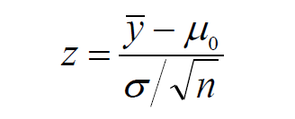
a) | Hypotheses
 | H0: µ = | 450 | g | Simple hypothesis, two-sided test.
 | H1: µ ≠ | 450 | g

 | mean |  | 446
 | pop sd |  | 10
 | size |  | 25
 | standard error |  | 2.0000
 | z-test |  | -2.0000
 | level of significance |  | 5%
 | critical values ± |  | 1.9600 |  |  |  |  |  | The smallest significance level, where we can already reject H0. P-value<alpha, so we reject H0.
 | Decision |  | H0 rejection |  |  |  | p-value= | 4.55%

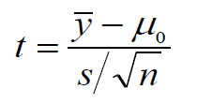
c) | corr. Sample sd |  | 11
 | standard error |  | 2.2000
 | t test |  | -1.8182
 | df |  | 24
 | critical values ± |  | 2.0639
 | Decision |  | Fail to reject H0

d) | Hipotézisek:
 | H0 : σ ≤ | 10 | g | H1j: σ > | 10 | Right-tailed test, so we have just upper critical value!
 | H0T: σ = | 10 | g

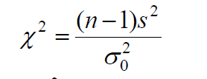
 | corr. Sample sd |  | 11
 | df |  | 24
 | test |  | 29.04
 | level of significance |  | 5%
 | upper cr. Value |  | 36.4150 | 36.4150
 | Decision |  | Fail to reject tech. H0

GY.7.38.
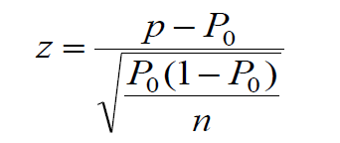
To be valid, at least 50% of voters must vote. An election is held in a rural town. Of 200 randomly selected citizens interviewed the week before the election, 96 said they would vote.

Based on the survey, decide at the 5% significance level whether a valid vote can be expected.

